First file
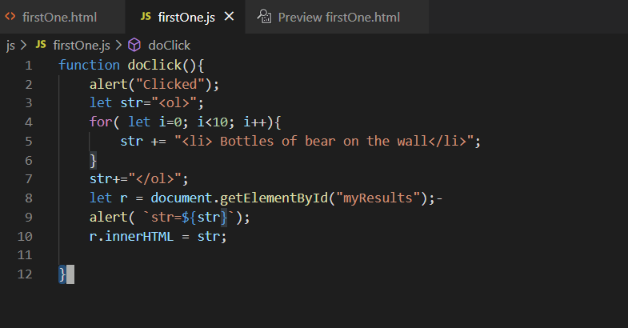
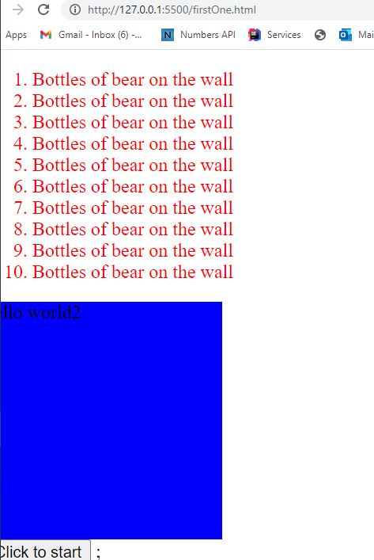
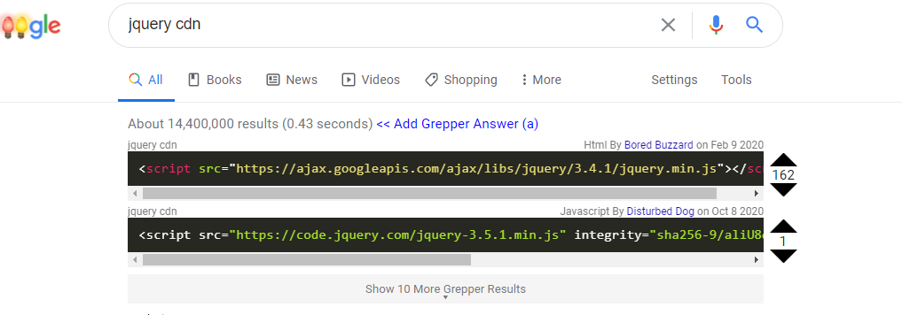
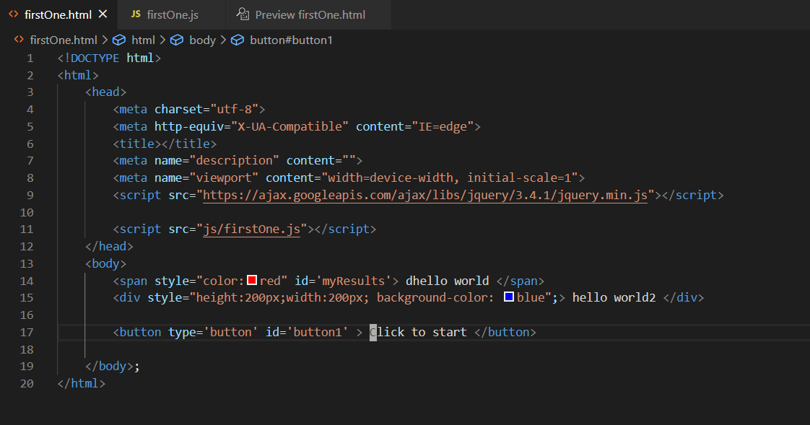
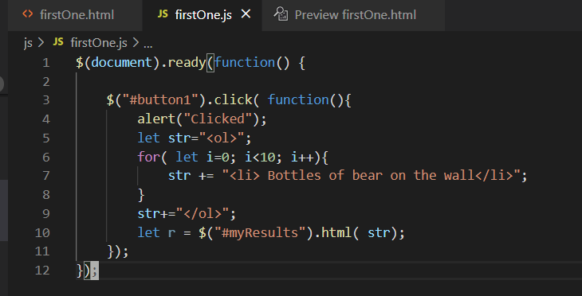
Make a folder at ...
D:\Users\dlash\github\CSC3510\IntroNodeProject
then inside VSC -> Fie -> open workspace
C:\Users\dlash\Documents\GitHub\CSC3510\MochaJSTesting

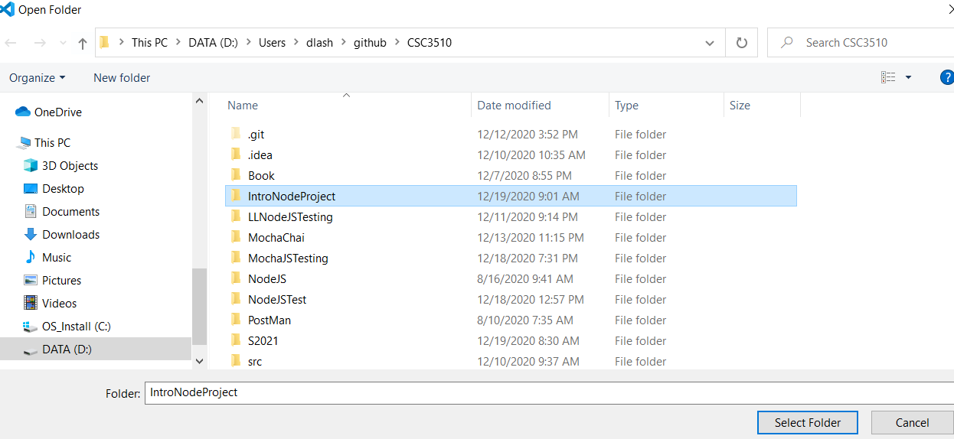

Up here ... click new folder ... create css and then create a js folder
Up here ... click new folder ... create css and then create a js folder

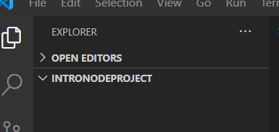

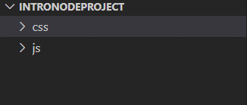

Create a new file -> File->new ... call it firstOne.html
Type in html5 -> select html5-boilerplate ... give you this ... add into it "hello world"
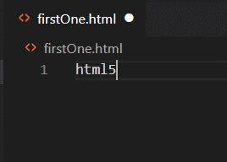
:1,$d

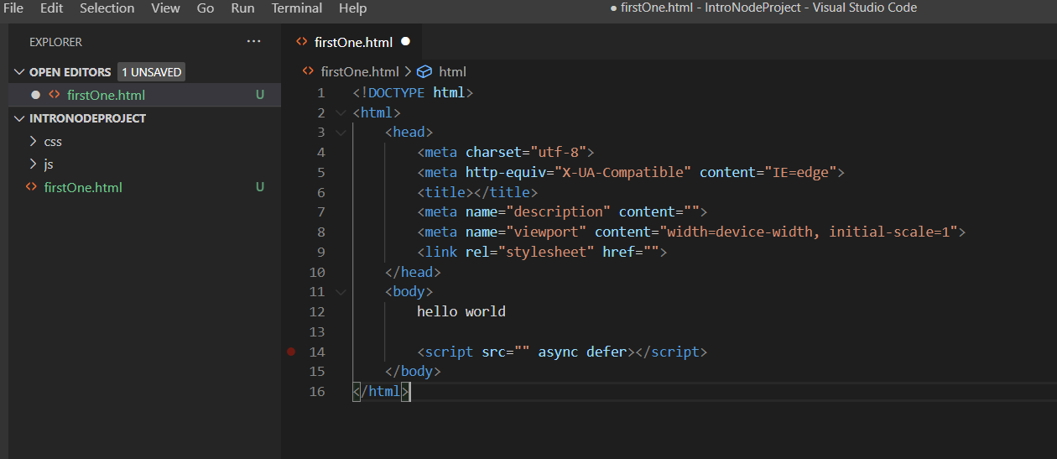

control-shift v to preview

Test it out ... add style

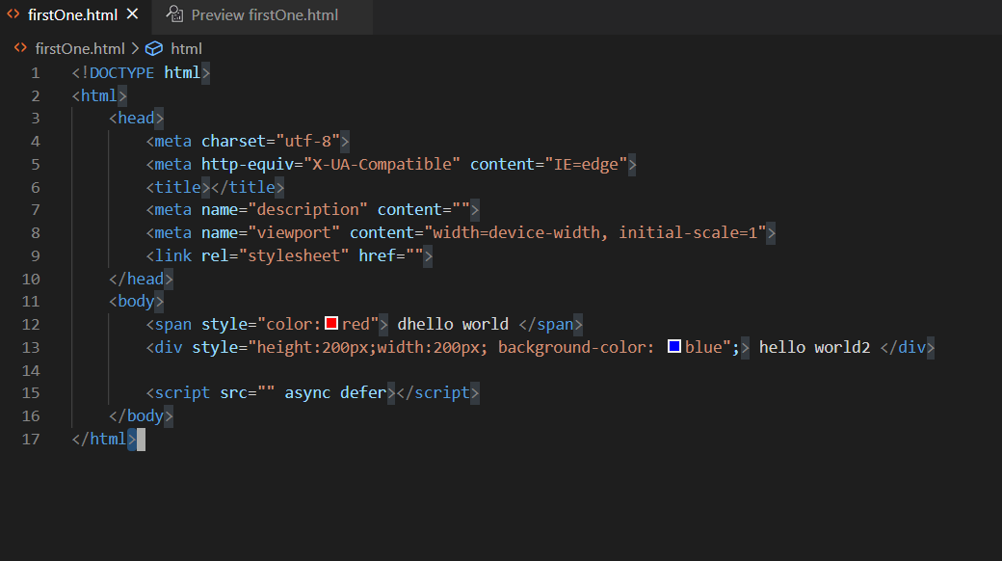

Right click -> open with Live server

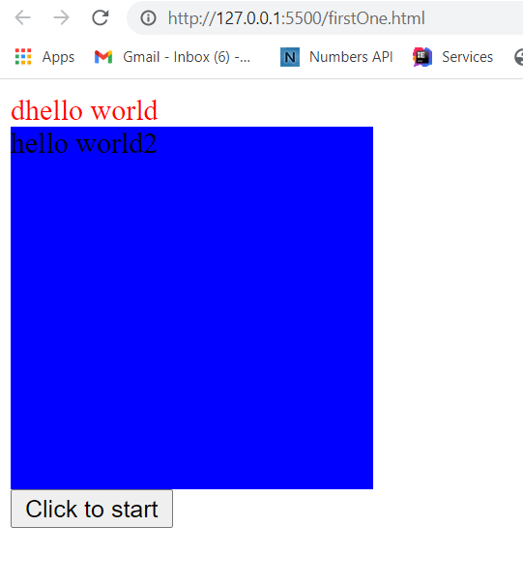

 | 0

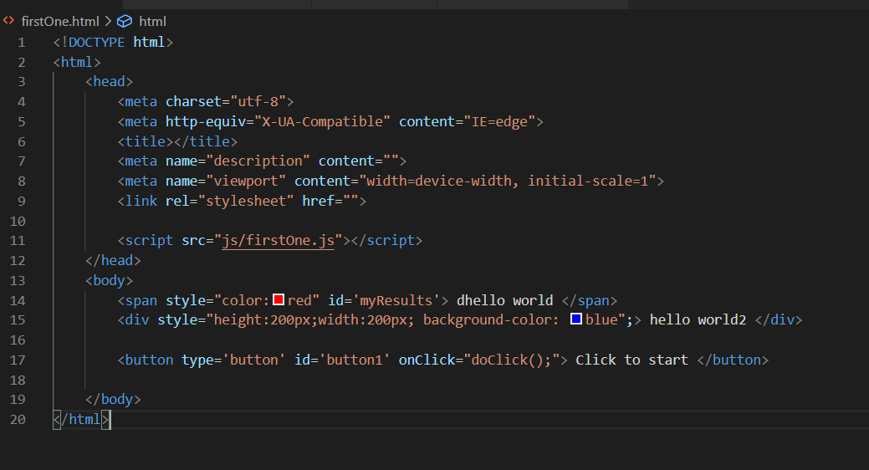
Would change these lines

Second File Coffee
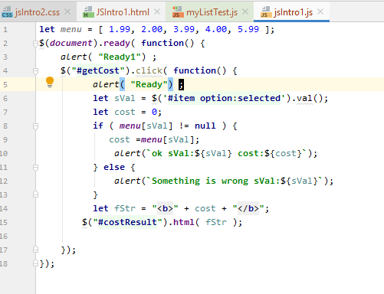
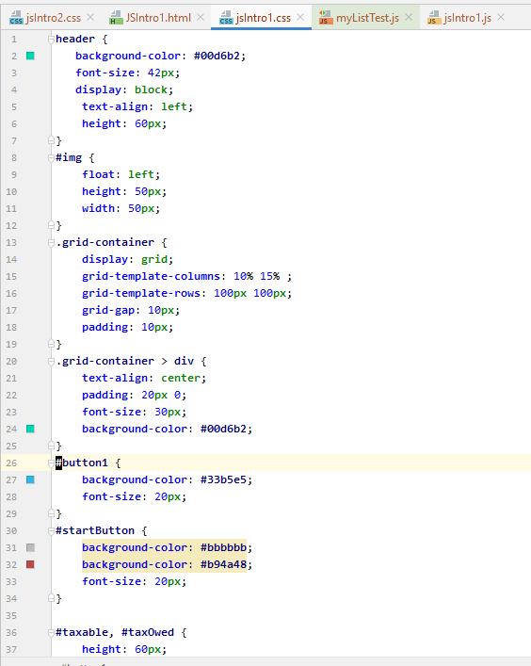
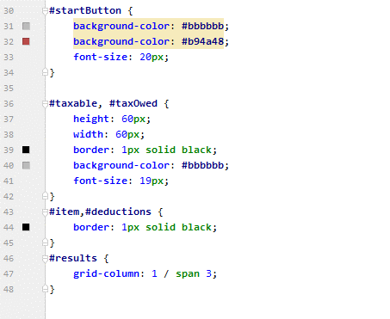
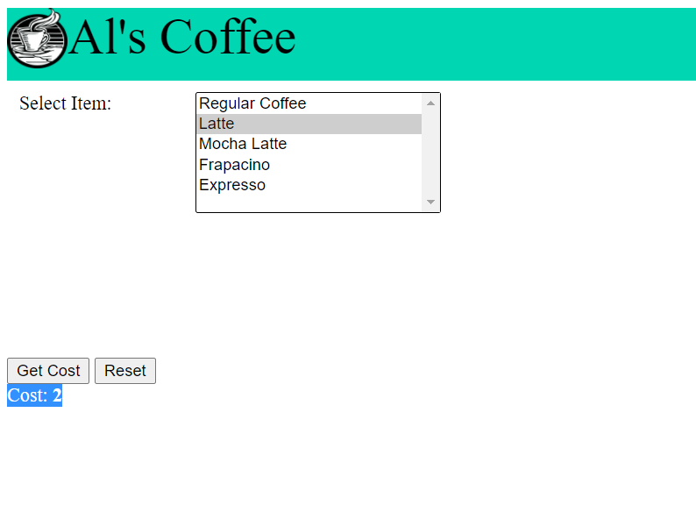

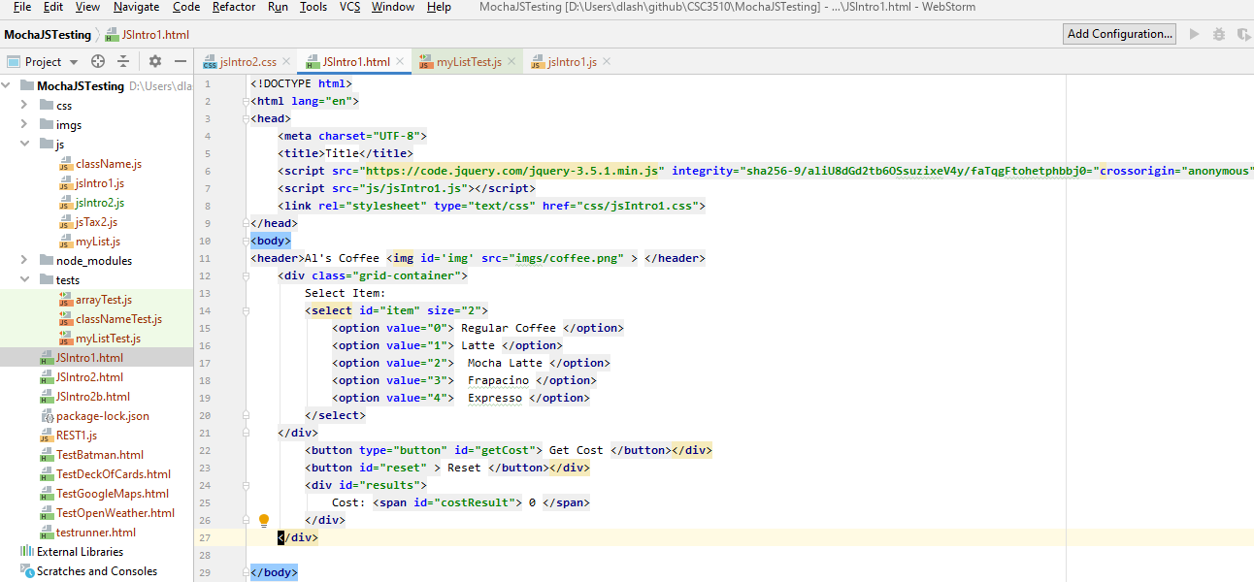

header {
background-color: #00d6b2;
font-size: 42px;
display: block;
text-align: left;
height: 60px;
}
#img {
float: left;
height: 50px;
width: 50px;
}
.grid-container {
display: grid;
grid-template-columns: 10% 15% ;
grid-template-rows: 100px 100px;
grid-gap: 10px;
padding: 10px;
}
.grid-container > div {
text-align: center;
padding: 20px 0;
font-size: 30px;
background-color: #00d6b2;
}
#button1 {
background-color: #33b5e5;
font-size: 20px;
}
#startButton {
background-color: #bbbbbb;
background-color: #b94a48;
font-size: 20px;
}
#taxable, #taxOwed {
height: 60px;
width: 60px;
border: 1px solid black;
background-color: #bbbbbb;
font-size: 19px;
}
#item,#deductions {
border: 1px solid black;
}
#results {
grid-column: 1 / span 3;
}

JS2
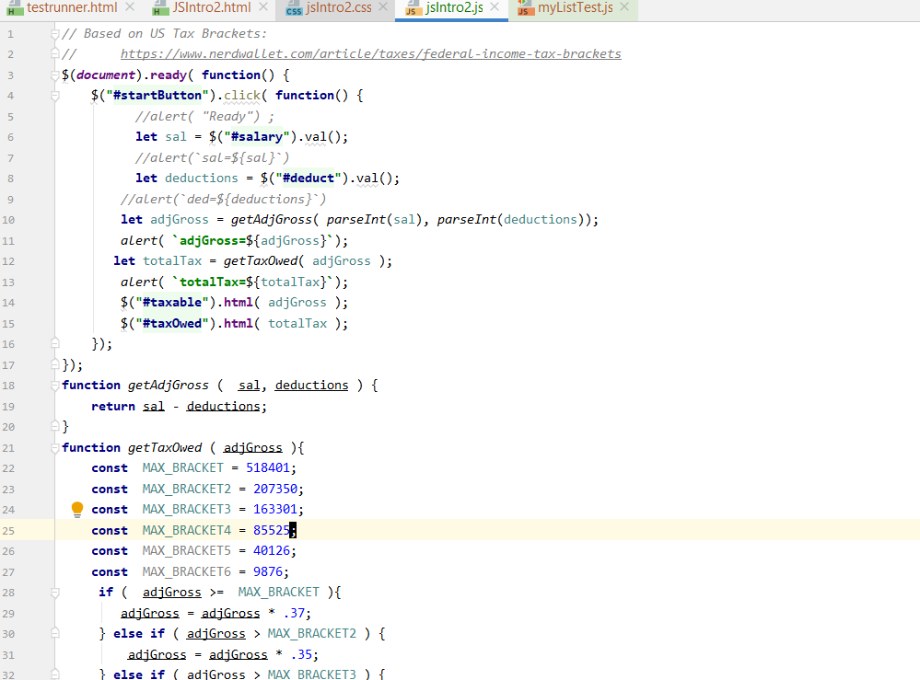
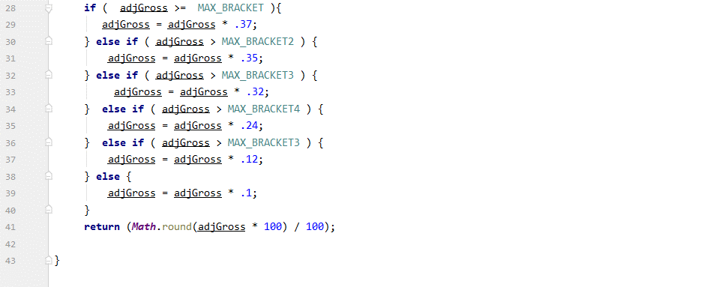
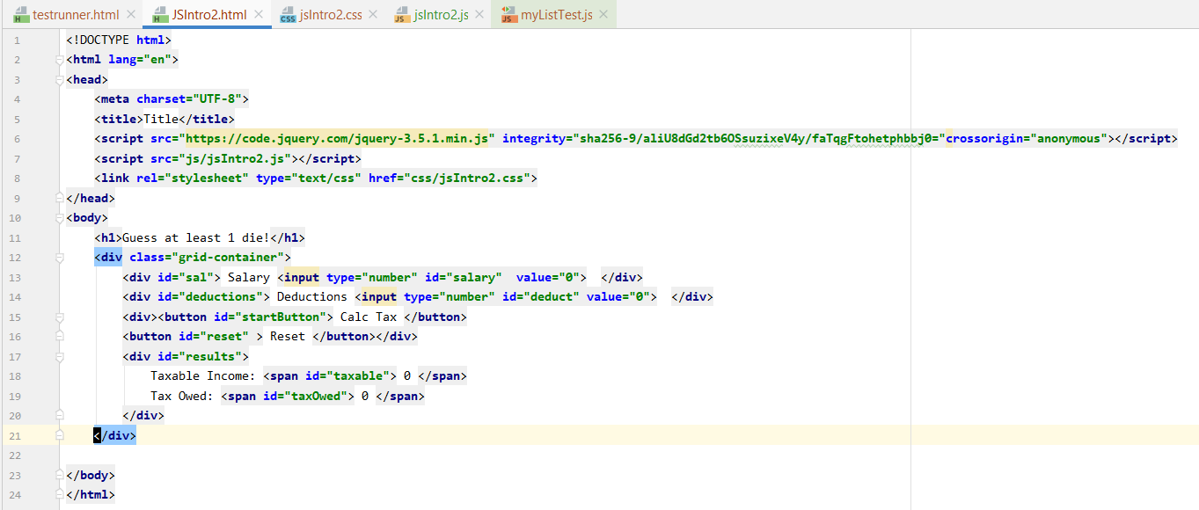
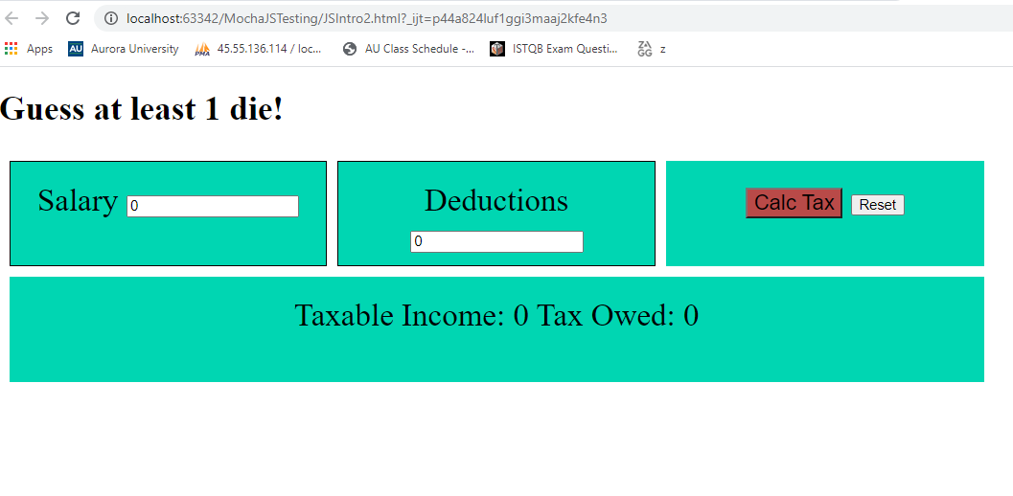

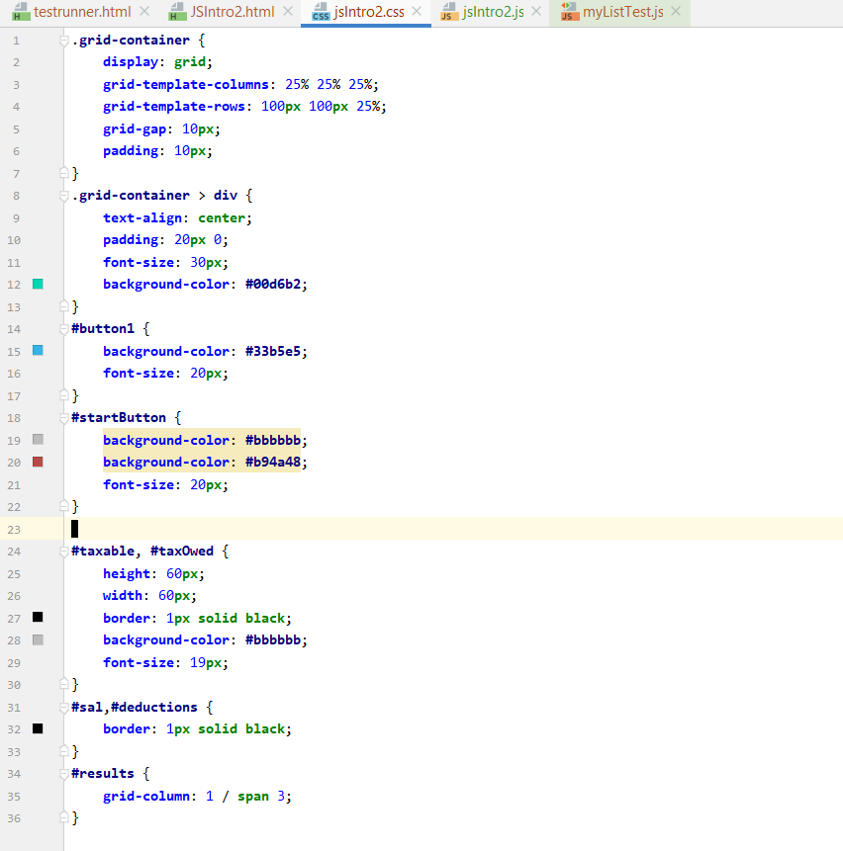

.grid-container {
display: grid;
grid-template-columns: 25% 25% 25%;
grid-template-rows: 100px 100px 25%;
grid-gap: 10px;
padding: 10px;
}
.grid-container > div {
text-align: center;
padding: 20px 0;
font-size: 30px;
background-color: #00d6b2;
}
#button1 {
background-color: #33b5e5;
font-size: 20px;
}
#startButton {
background-color: #bbbbbb;
background-color: #b94a48;
font-size: 20px;
}
#costResult{
height: 60px;
width: 60px;
border: 1px solid black;
background-color: #bbbbbb;
font-size: 19px;
}
#sal,#deductions {
border: 1px solid black;
}
#results {
grid-column: 1 / span 3;
}

Grade Calc
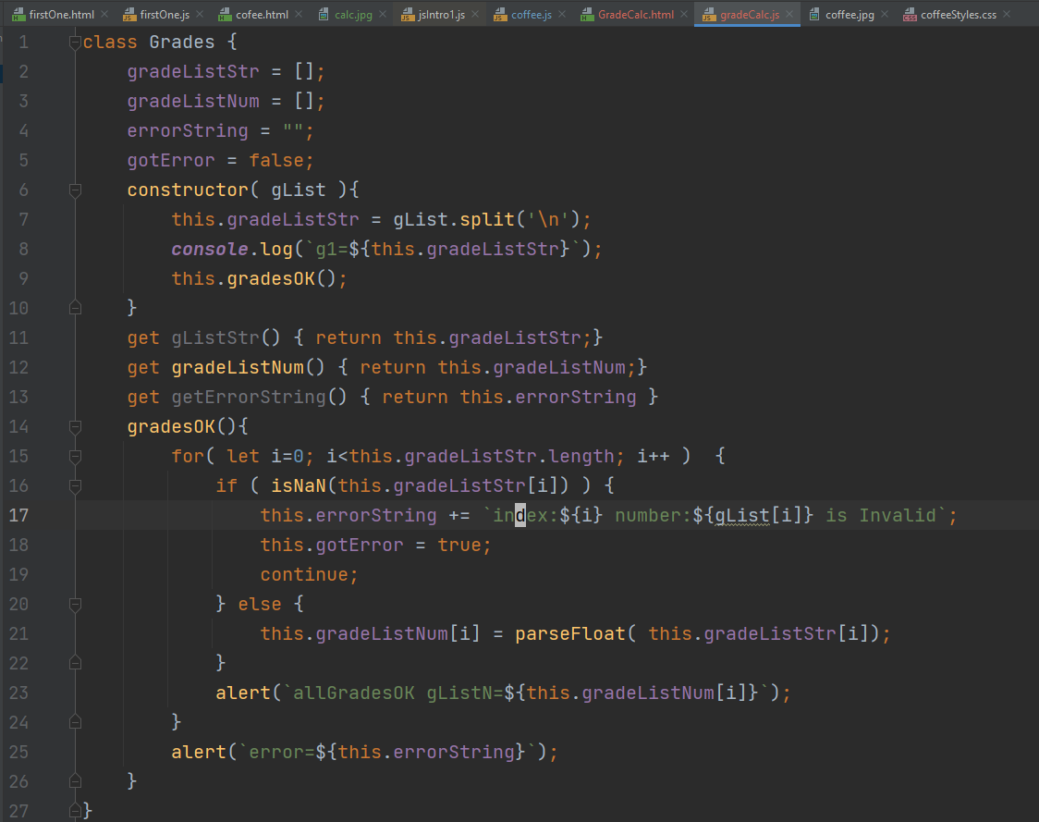
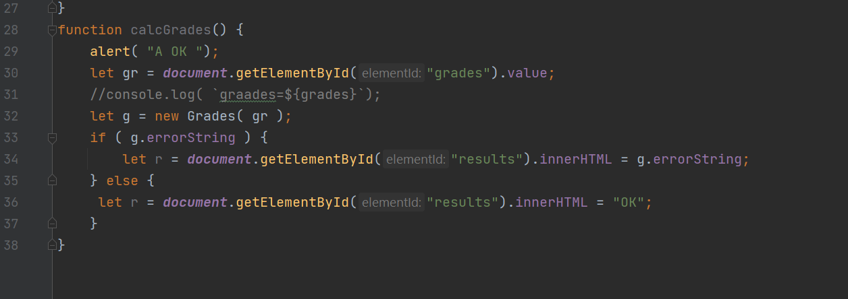
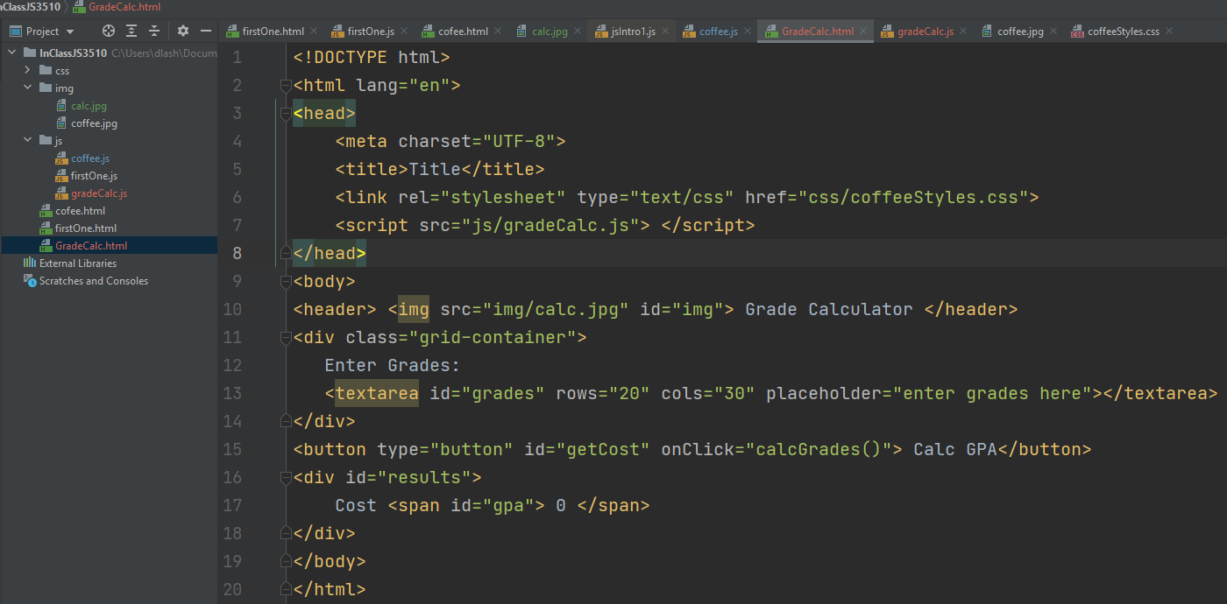
header { background-color: #00d6b2; font-size: 42px; display: block; text-align: left; height: 60px; } #img { float: left; height: 50px; width: 50px; } .grid-container { display: grid; grid-template-columns: 10% 15% ; grid-template-rows: 100px 100px; grid-gap: 10px; padding: 10px; } .grid-container > div { text-align: center; padding: 20px 0; font-size: 30px; background-color: #00d6b2; } #button1 { background-color: #33b5e5; font-size: 20px; } #startButton { background-color: #bbbbbb; background-color: #b94a48; font-size: 20px; } #taxable, #taxOwed { height: 60px; width: 60px; border: 1px solid black; background-color: #bbbbbb; font-size: 19px; } #item,#deductions { border: 1px solid black; } #results { grid-column: 1 / span 3; }

Query
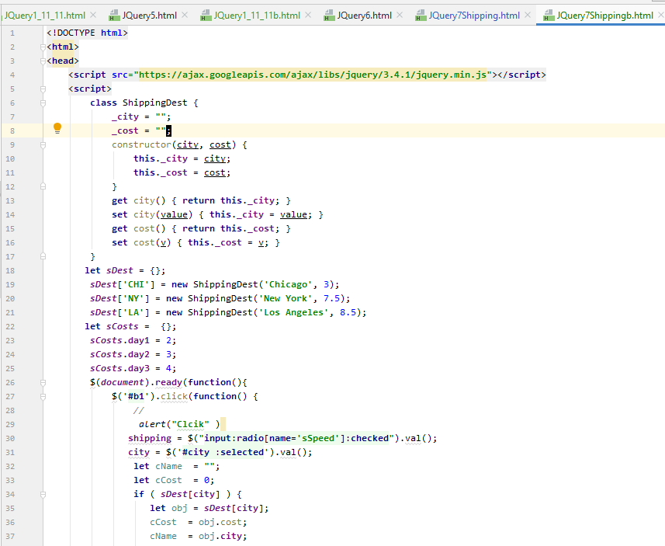

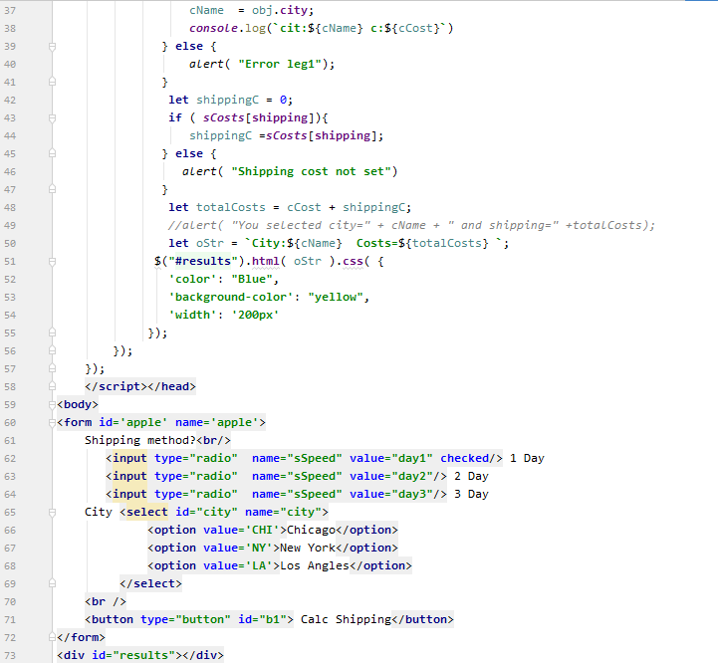

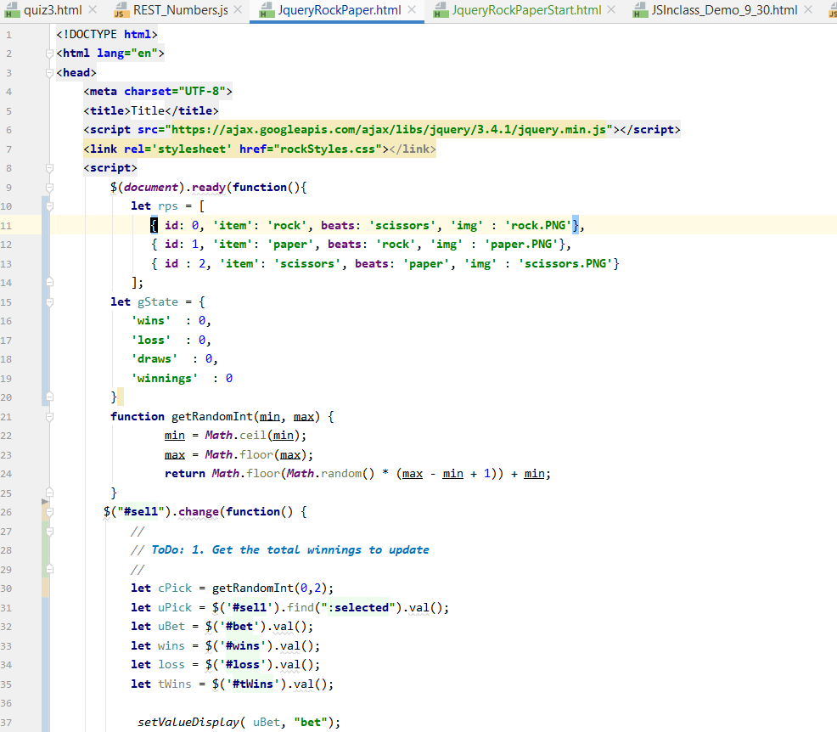

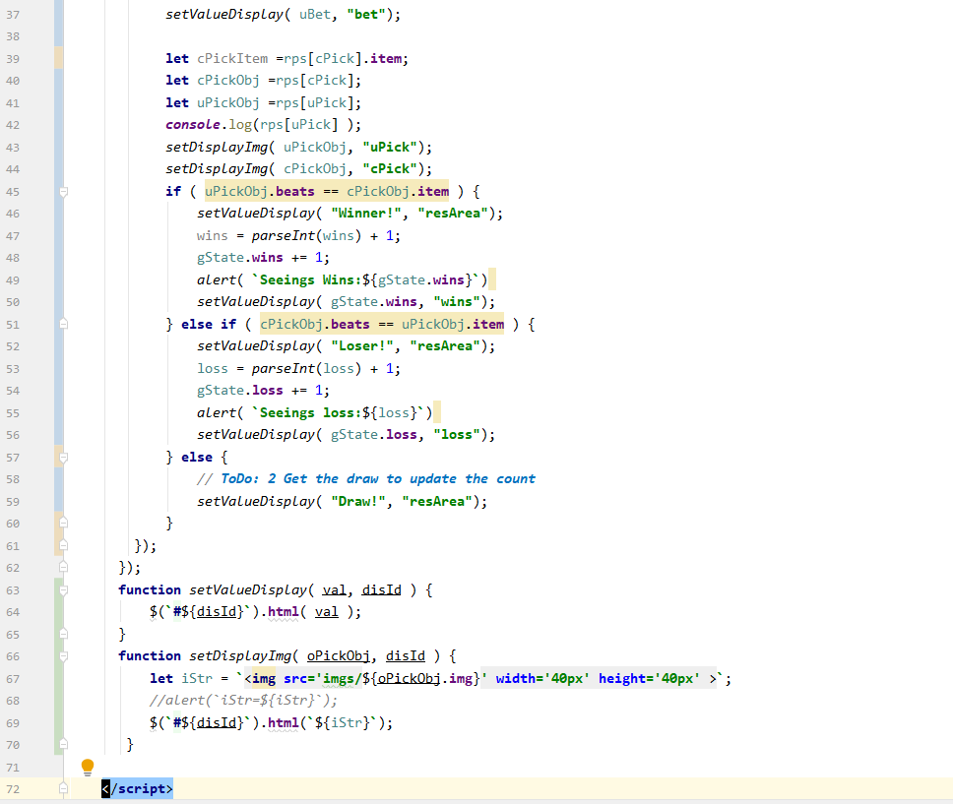

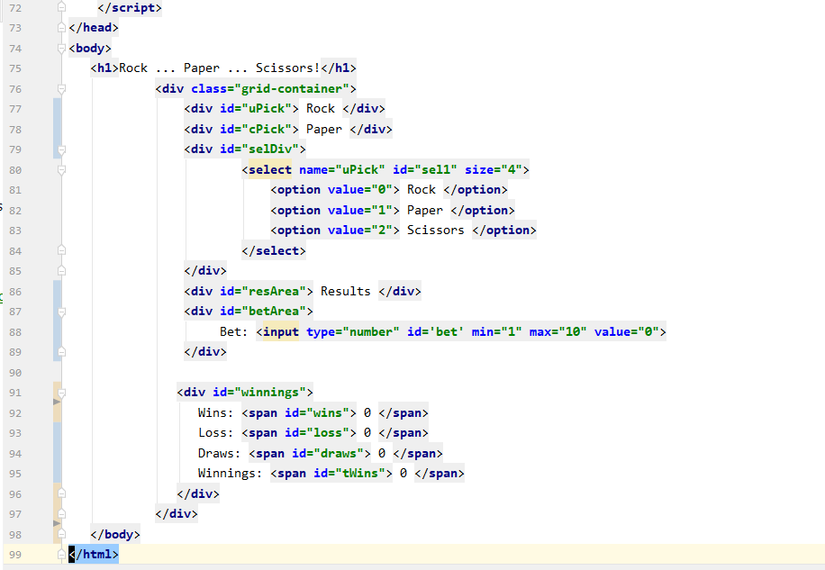

JS Tax 2
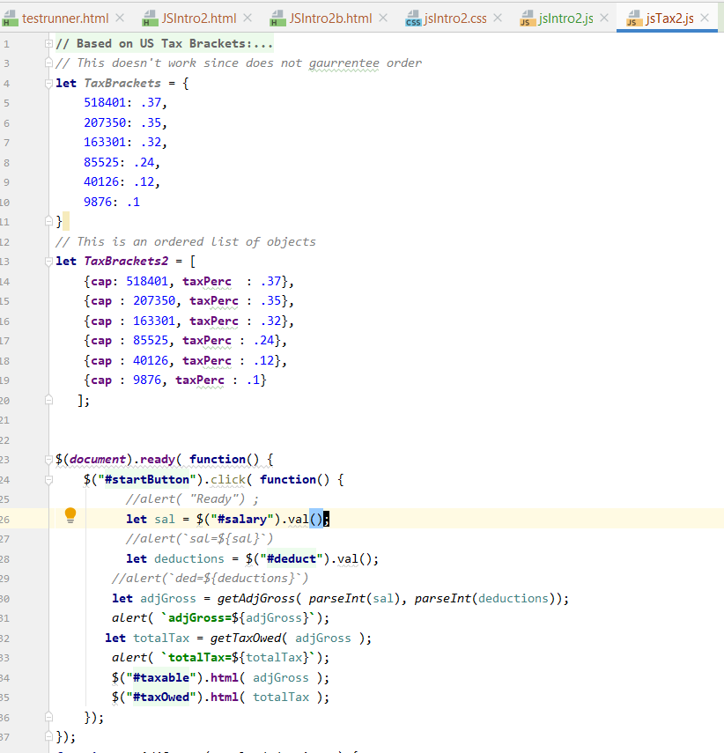
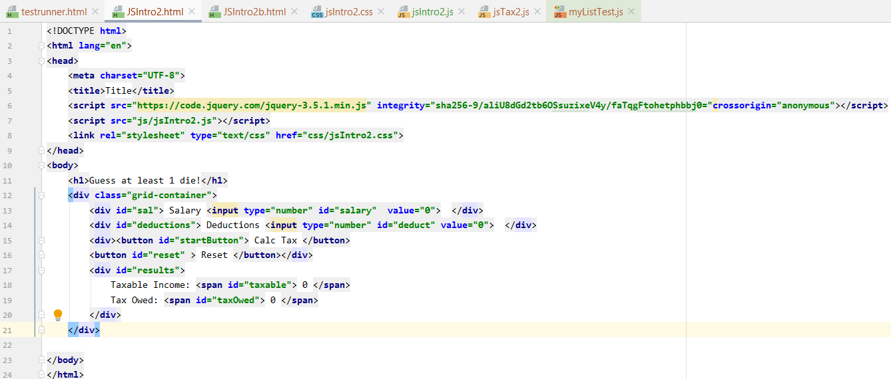

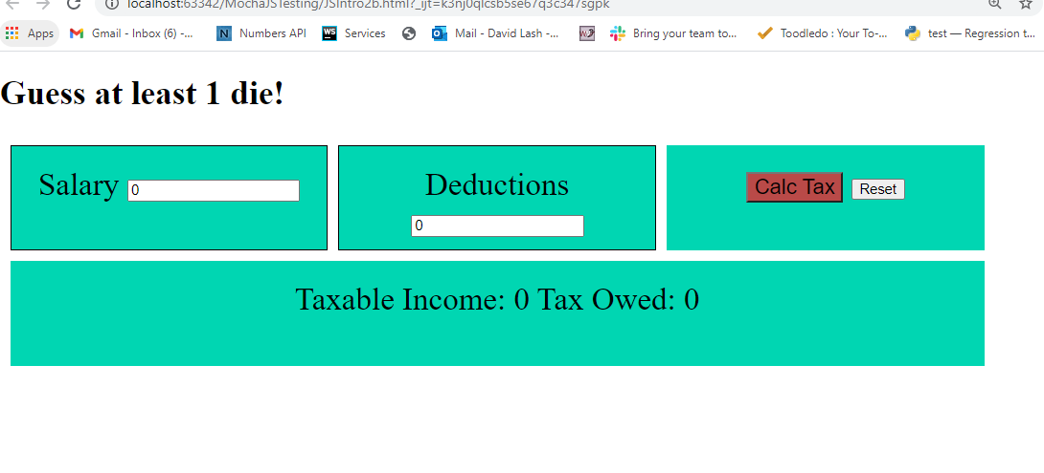

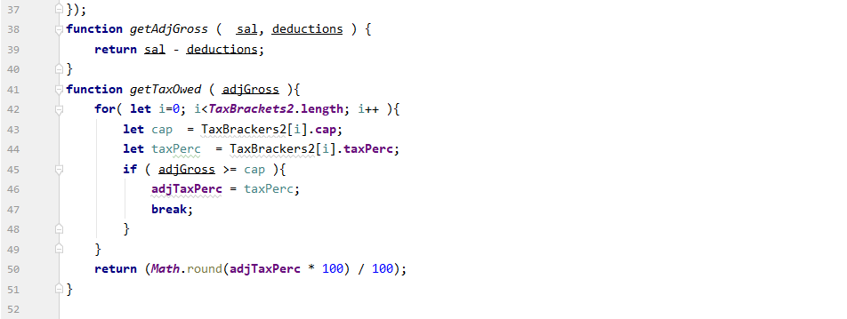

Testing functions alone
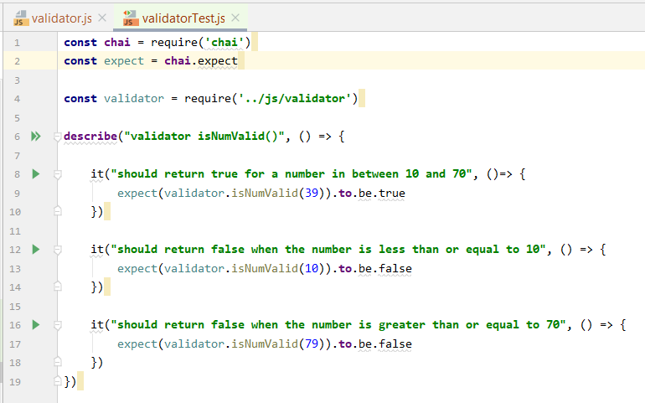
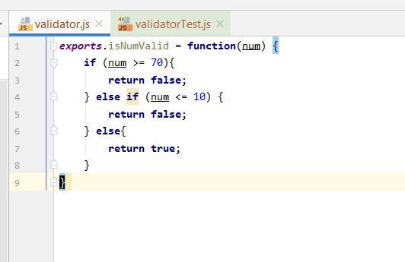
https://livecodestream.dev/post/testing-in-nodejs-using-mocha-and-chai-part-1/

Sheet2
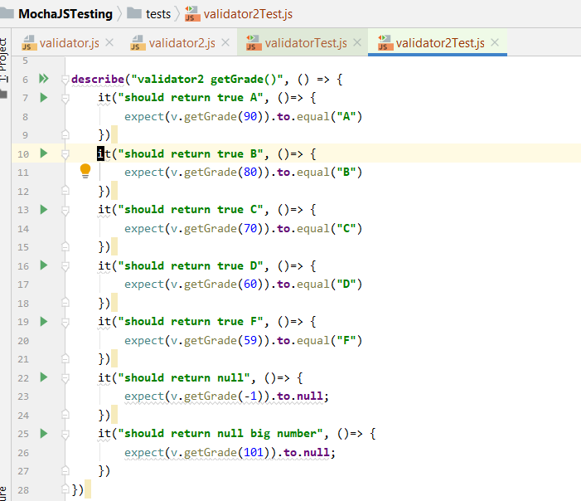
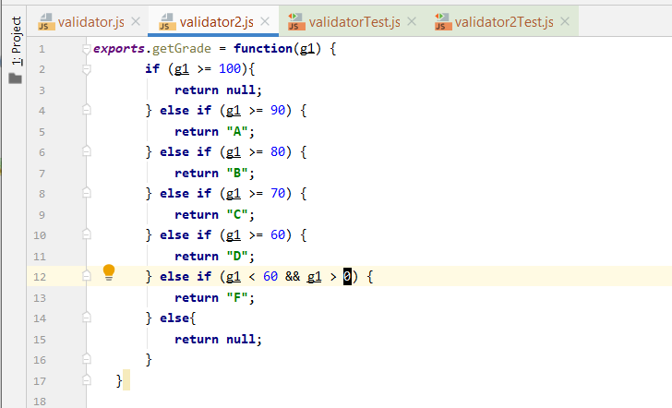

gradeCalc2
class Grades { gradeListStr = []; gradeListNum = []; errorString = ""; gotError = false; aver = 0; constructor( gList ){ this.gradeListStr = gList; console.log(`gListString=${this.gradeListStr}`); this.gradesOK(); } get gListStr() { return this.gradeListStr;} get gradeListNum() { return this.gradeListNum;} get getErrorString() { return this.errorString } gradesOK(){ for( let i=0; i<this.gradeListStr.length; i++ ) { if ( isNaN(this.gradeListStr[i]) ) { this.errorString += `index:${i} number:${this.gradeListStr[i]} is Invalid`; this.gotError = true; continue; } else if( parseFloat( this.gradeListStr[i] ) < 0) { this.errorString += `index:${i} number:${this.gradeListStr[i]} is Negative`; } else { this.gradeListNum[i] = parseFloat( this.gradeListStr[i]); } alert(`allGradesOK gListN=${this.gradeListNum[i]}`); } alert(`error=${this.errorString}`); } calcAver() { let sum = 0; for( let i=0; i<this.gradeListNum.length; i++ ) { sum += this.gradeListNum[i]; } console.log(`sum:${sum} l:${this.gradeListNum.length}`); this.aver = sum/this.gradeListNum.length; } } function calcGrades() { let gList = []; gList[0] = document.getElementById("g1").value; gList[1] = document.getElementById("g2").value; gList[2] = document.getElementById("g3").value; //console.log( `graades=${grades}`); let g = new Grades( gList ); if ( g.errorString ) { let oStr = `<span style='color:red'> ${g.errorString} </span>`; let r = document.getElementById("results").innerHTML = oStr; } else { g.calcAver(); let oStr = `<span style='color:black'> ${g.aver} </span>`; let r = document.getElementById("results").innerHTML = oStr; } }
header { background-color: #00d6b2; font-size: 42px; display: block; text-align: left; height: 60px; } #img { float: left; height: 50px; width: 50px; } .grid-container { display: grid; grid-template-columns: 10% 15% ; grid-template-rows: 100px 100px; grid-gap: 10px; padding: 10px; } .grid-container > div { text-align: center; padding: 20px 0; font-size: 30px; background-color: #00d6b2; } #button1 { background-color: #33b5e5; font-size: 20px; } #startButton { background-color: #bbbbbb; background-color: #b94a48; font-size: 20px; } #taxable, #taxOwed { height: 60px; width: 60px; border: 1px solid black; background-color: #bbbbbb; font-size: 19px; } #item,#deductions { border: 1px solid black; } #results { grid-column: 1 / span 3; }
<!DOCTYPE html> <html lang="en"> <head> <meta charset="UTF-8"> <title>Title</title> <link rel="stylesheet" type="text/css" href="css/gradeStyles.css"> <script src="js/gradeCalc.js"> </script> </head> <body> <header> <img src="img/calc.jpg" id="img"> Grade Calculator </header> Enter Grades: <div class="grid-container"> <div class="gradeLabel"> G1: </div> <div class="grade"> <input type="number" id="g1" min="-10" max="100"> </div> <div class="gradeLabel"> G2: </div> <div class="grade"> <input type="number" id="g2" min="-10" max="100"> </div> <div class="gradeLabel"> G3: </div> <div class="grade"> <input type="number" id="g3" min="-10" max="100"> </div> </div> <button type="button" id="getCost" onClick="calcGrades()"> Calc GPA</button> <div id="results"> Cost <span id="gpa"> 0 </span> </div> </body> </html>

